Placards
LOCKOUT/TAGOUT PROCEDURE
[EN] Date: 2026-08-29 · Scan for digital placard
EQUIPMENT: BGGN-011 (Boiler 1 – Building Grounds) |  |  |  |  |  | Building & Grounds
KEEP OUT! HAZARDOUS VOLTAGE AND MOVING PARTS
CROSS-REF LOTO 2026-04-27: All 3 boilers (BGGN-011, BGGN-012, BGGN-013) share a common steam header. When working on steam distribution piping, all three must be locked at their individual steam isolation valves. Verify steam header pressure = 0 PSI before proceeding. | DATA_FIX 2026-05-13: iso_photo_url was pointing to BGGN-013-IP-2 (Boiler 3's IP). Cleared. Field walk needed to capture Boiler 1's own IP, or confirm boiler-room shared disconnect.

PURPOSE |  |  |  |  | LOCKOUT APPLICATION PROCESS
This procedure establishes the minimum requirements for lockout of energy-isolating devices. It ensures equipment is stopped, isolated from all potentially hazardous energy sources, and locked out before any servicing or maintenance activities are performed. |  |  |  |  | 1. Communicate to all AFFECTED employees 2. Shut down the equipment using normal stopping procedures 3. Isolate energy sources 4. Apply lockout devices, locks, and tags 5. Release all stored energy 6. Verify equipment is de-energized by attempting to start up 7. After test, place controls in a neutral position

COLOR CODES
E = Electrical | G = Gas |  | H = Hydraulic | P = Pneumatic |  | M = Mechanical |  | T = Thermal
W = Water | S = Steam |  | V = Valve | CG = Compressed Gas |  | CP = Control Panel |  | GR = Gravity
EQUIPMENT IDENTIFICATION AND ENERGY ISOLATION PROCEDURE
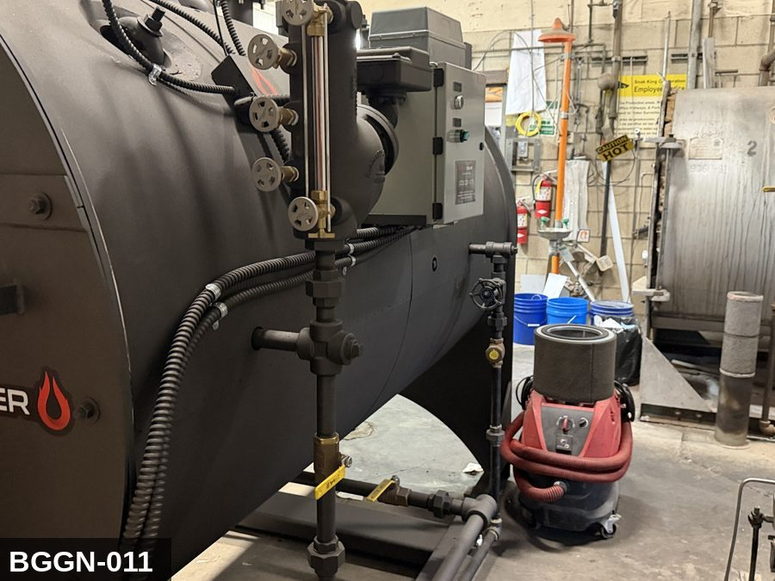 |  |  |  | 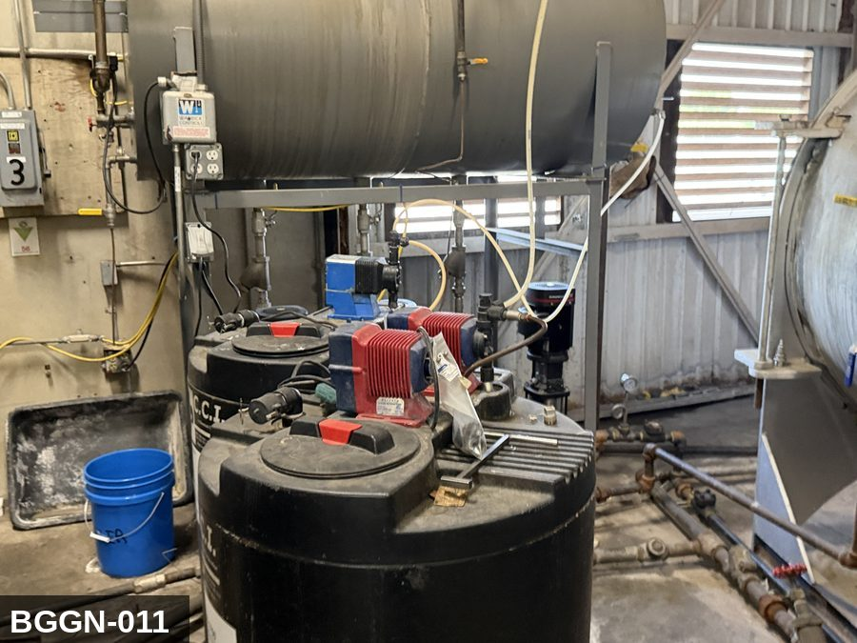

PHOTO OF EQUIPMENT |  |  |  | PHOTO OF ISOLATION / DISCONNECT
Energy Tag & Description | Isolation Procedure & Lockout Devices |  |  |  | Method of Verification
G — Gas ISOLATE ENERGY TAG & DESCRIPTION — G: GAS (G) — Natural-gas supply to the boiler burner. Manual upstream gas valve is the LOTO point per NFPA 85 + NFPA 86 — the safety shut-off valve (SSOV) is NOT a service-isolation device. Bleed residual gas through the pilot test port; do NOT bleed through the burner. | ISOLATION PROCEDURE — GAS: 1. After electrical isolation per the E procedure, locate the MANUAL gas-shutoff valve serving Boiler #1 (BGGN-011). This is the upstream ball or plug valve — NOT the automatic safety shut-off valve (SSOV). 2. Close the manual gas valve fully (handle perpendicular to pipe). 3. Apply a valve-lockout device (ball-valve lockout or chain-and-lock) and a personal padlock in the CLOSED position. 4. Apply a lockout tag with date, time, name, and reason. 5. Bleed residual gas pressure between the closed manual valve and the burner via the pilot bleed line or test-port (if present). Do NOT open burner connections to bleed. 6. Per NFPA 86, the SSOV alone does NOT meet LOTO — the manual upstream valve must be locked. Per Cal/OSHA §3314, gas is hazardous energy and requires the same group-LOTO discipline as electrical. |  |  |  | METHOD OF VERIFICATION — GAS: 1. Verify the manual gas-shutoff valve is closed (handle perpendicular to pipe) and locked. 2. Confirm the lockout device is rated for the valve handle and cannot be defeated without cutting the lock. 3. Use a calibrated combustible-gas indicator at the bleed port / pilot disconnect — confirm no gas reading downstream of the closed valve. 4. Attempt to start the burner via the control panel — confirm no ignition (the SSOV will open, but no gas reaches the burner because the manual valve is closed). 5. Physically verify the padlock is secure and the lockout tag is legible. NOTE: this verification does NOT rely on the SSOV. The SSOV is an automatic safety device; for service LOTO, only the manually-operable upstream valve counts as isolation per NFPA 86.

E — Electrical ISOLATE ENERGY TAG & DESCRIPTION — E: ELECTRICAL (E) — 208V/480V to forced-draft / induced-draft fan motors, feedwater pump, controls. 24VDC ignition controls. | ISOLATION PROCEDURE & LOCKOUT DEVICES — ELECTRICAL: 1. Notify all affected employees that LOTO is being performed on Boiler #1 (BGGN-011). 2. Complete the current cycle and press STOP, then E-STOP. 3. Locate the main electrical disconnect serving this equipment (labeled to the equipment). 4. Open the disconnect to the OFF position. 5. Apply a lockout device through the disconnect handle. Each authorized worker applies their own personal padlock (group-lock hasp if more than one worker) per Cal/OSHA §3314(k). 6. Apply a lockout tag with date, time, name, and reason. 7. If the equipment uses servo drives or VFDs, allow 5 minutes for DC-bus capacitors to discharge before opening any drive enclosure. |  |  |  | METHOD OF VERIFICATION — ELECTRICAL: 1. Use a calibrated voltage tester following the test-before-touch protocol per OSHA 1910.333: test the meter on a known live source, test the disconnect line/load terminals, then re-test the meter on the known live source. 2. Verify zero voltage at the motor or servo terminals downstream of the disconnect. 3. For servo drives / VFDs: confirm DC-bus capacitors have discharged (5-minute minimum) before opening drive enclosure. 4. Attempt to start the equipment from the control panel and HMI — confirm no response. 5. Physically verify all padlocks are secure and lockout tags are legible.

LOCKOUT REMOVAL PROCESS
1. Notify all AFFECTED employees that lockout is being removed 2. Inspect the work area to ensure tools and items have been removed 3. Verify that all employees are clear of the equipment 4. Verify that controls are in the neutral or off position |  |  |  | 5. Remove lockout devices, locks, and tags 6. Re-energize the equipment 7. Notify all AFFECTED employees that the equipment is back in service

Spanish translation on reverse — print double-sided.
Signature |  | Date |  | Dept |  |  | See PM Store in PT Folder

PROCEDIMIENTO DE BLOQUEO/ETIQUETADO
[ES] Fecha: 2026-08-29 · Escanee para placa digital
BORRADOR — NO REVISADO · traducción sin revisar
EQUIPO: BGGN-011 (Boiler 1 – Building Grounds) |  |  |  |  |  | Building & Grounds
¡MANTÉNGASE ALEJADO! VOLTAJE PELIGROSO Y PIEZAS EN MOVIMIENTO
CROSS-REF LOTO 2026-04-27: All 3 boilers (BGGN-011, BGGN-012, BGGN-013) share a common steam header. When working on steam distribution piping, all three must be locked at their individual steam isolation valves. Verify steam header pressure = 0 PSI before proceeding. | DATA_FIX 2026-05-13: iso_photo_url was pointing to BGGN-013-IP-2 (Boiler 3's IP). Cleared. Field walk needed to capture Boiler 1's own IP, or confirm boiler-room shared disconnect.

PROPÓSITO |  |  |  |  | PROCESO DE APLICACIÓN DE BLOQUEO
Este procedimiento establece los requisitos mínimos para el bloqueo de los dispositivos de aislamiento de energía. Garantiza que el equipo se detenga, se aísle de todas las fuentes de energía potencialmente peligrosas y se bloquee antes de realizar actividades de servicio o mantenimiento. |  |  |  |  | 1. Comunicar a todos los empleados AFECTADOS 2. Apagar el equipo usando procedimientos normales de parada 3. Aislar las fuentes de energía 4. Aplicar dispositivos de bloqueo, candados y etiquetas 5. Liberar toda la energía almacenada 6. Verificar que el equipo esté desenergizado intentando arrancarlo 7. Después de la prueba, colocar los controles en posición neutral

CÓDIGOS DE COLOR
E = Eléctrico | G = Gas |  | H = Hidráulico | P = Neumático |  | M = Mecánico |  | T = Térmico
W = Agua | S = Vapor |  | V = Válvula | CG = Gas Comprimido |  | CP = Panel Control |  | GR = Gravedad
IDENTIFICACIÓN DEL EQUIPO Y PROCEDIMIENTO DE AISLAMIENTO DE ENERGÍA

FOTO DEL EQUIPO |  |  |  | FOTO DE AISLAMIENTO / DESCONEXIÓN
Etiqueta y Descripción | Procedimiento de Aislamiento y Dispositivos |  |  |  | Método de Verificación
G — Gas AISLAR ETIQUETA DE ENERGÍA Y DESCRIPCIÓN — G: GAS (G) — Suministro de gas natural al quemador de la caldera. La válvula manual aguas arriba es el punto de LOTO per NFPA 85 + NFPA 86 — la válvula de seguridad de cierre automático (SSOV) NO es un dispositivo de aislamiento de servicio. Purgue el gas residual a través del puerto de prueba del piloto; NO purgue a través del quemador. | PROCEDIMIENTO DE AISLAMIENTO — GAS: 1. Después del aislamiento eléctrico per el procedimiento E, localice la válvula MANUAL de corte de gas que sirve a Boiler #1 (BGGN-011). Esta es la válvula de bola o tapón aguas arriba — NO la válvula de seguridad de cierre automático (SSOV). 2. Cierre la válvula manual de gas por completo (manija perpendicular a la tubería). 3. Aplique un dispositivo de bloqueo de válvula (bloqueo de válvula de bola o cadena con candado) y un candado personal en la posición CERRADA. 4. Aplique etiqueta de bloqueo con fecha, hora, nombre y razón. 5. Purgue la presión residual de gas entre la válvula manual cerrada y el quemador a través de la línea de purga del piloto o el puerto de prueba (si está presente). NO abra conexiones del quemador para purgar. 6. Per NFPA 86, la SSOV sola NO cumple con LOTO — la válvula manual aguas arriba debe ser bloqueada. Per Cal/OSHA §3314, el gas es energía peligrosa y requiere la misma disciplina LOTO grupal que el aislamiento eléctrico. |  |  |  | MÉTODO DE VERIFICACIÓN — GAS: 1. Verifique que la válvula manual de corte de gas está cerrada (manija perpendicular a la tubería) y bloqueada. 2. Confirme que el dispositivo de bloqueo está calificado para la manija de la válvula y no puede ser vencido sin cortar el candado. 3. Use un indicador calibrado de gas combustible en el puerto de purga / desconexión del piloto — confirme que no hay lectura de gas aguas abajo de la válvula cerrada. 4. Intente arrancar el quemador desde el panel de control — confirme que no hay encendido (la SSOV abrirá, pero no llega gas al quemador porque la válvula manual está cerrada). 5. Verifique físicamente que el candado esté seguro y la etiqueta de bloqueo sea legible. NOTA: esta verificación NO depende de la SSOV. La SSOV es un dispositivo automático de seguridad; para servicio LOTO, sólo la válvula manual aguas arriba cuenta como aislamiento per NFPA 86.

E — Eléctrico AISLAR ETIQUETA DE ENERGÍA Y DESCRIPCIÓN — E: ELÉCTRICO (E) — 208V/480V a motores de ventilador de tiro forzado / inducido, bomba de agua de alimentación, controles. Controles de encendido 24VDC. | PROCEDIMIENTO DE AISLAMIENTO Y DISPOSITIVOS DE BLOQUEO — ELÉCTRICO: 1. Notifique a todos los empleados afectados que se está realizando LOTO en Boiler #1 (BGGN-011). 2. Complete el ciclo actual y presione PARO, luego PARO DE EMERGENCIA. 3. Localice el desconectador eléctrico principal que sirve este equipo (etiquetado al equipo). 4. Abra el desconectador a la posición OFF. 5. Aplique un dispositivo de bloqueo a través de la manija del desconectador. Cada trabajador autorizado aplica su propio candado personal (broche de candado grupal si hay más de un trabajador) per Cal/OSHA §3314(k). 6. Aplique etiqueta de bloqueo con fecha, hora, nombre y razón. 7. Si el equipo usa servo-drives o VFDs, permita 5 minutos para que los capacitores del bus DC se descarguen antes de abrir cualquier gabinete de drive. |  |  |  | MÉTODO DE VERIFICACIÓN — ELÉCTRICO: 1. Use un comprobador de voltaje calibrado siguiendo el protocolo "probar antes de tocar" per OSHA 1910.333: pruebe el medidor en una fuente viva conocida, pruebe los terminales de línea/carga del desconectador, luego re-pruebe el medidor en la fuente viva conocida. 2. Verifique cero voltaje en los terminales del motor o servo aguas abajo del desconectador. 3. Para servo-drives / VFDs: confirme que los capacitores del bus DC se han descargado (5 minutos mínimo) antes de abrir el gabinete del drive. 4. Intente arrancar el equipo desde el panel de control y HMI — confirme que no hay respuesta. 5. Verifique físicamente que todos los candados estén seguros y las etiquetas de bloqueo sean legibles.

PROCESO DE REMOCIÓN DE BLOQUEO
1. Notificar a todos los empleados AFECTADOS que se está retirando el bloqueo 2. Inspeccionar el área de trabajo para asegurar que se hayan retirado herramientas y objetos 3. Verificar que todos los empleados estén lejos del equipo 4. Verificar que los controles estén en posición neutral o apagada |  |  |  | 5. Retirar los dispositivos de bloqueo, candados y etiquetas 6. Volver a energizar el equipo 7. Notificar a los empleados AFECTADOS que el equipo está de vuelta en servicio

Traducción al inglés al reverso — imprimir a doble cara.
Firma |  | Fecha |  | Depto |  |  | Ver PM Store en carpeta PT

LOCKOUT/TAGOUT PROCEDURE
[EN] Date: 2026-08-29 · Scan for digital placard
EQUIPMENT: BGGN-012 (Boiler 2 – Building Grounds) |  |  |  |  |  | Building & Grounds
KEEP OUT! HAZARDOUS VOLTAGE AND MOVING PARTS
CROSS-REF LOTO 2026-04-27: All 3 boilers (BGGN-011, BGGN-012, BGGN-013) share a common steam header. When working on steam distribution piping, all three must be locked at their individual steam isolation valves. Verify steam header pressure = 0 PSI before proceeding.

PURPOSE |  |  |  |  | LOCKOUT APPLICATION PROCESS
This procedure establishes the minimum requirements for lockout of energy-isolating devices. It ensures equipment is stopped, isolated from all potentially hazardous energy sources, and locked out before any servicing or maintenance activities are performed. |  |  |  |  | 1. Communicate to all AFFECTED employees 2. Shut down the equipment using normal stopping procedures 3. Isolate energy sources 4. Apply lockout devices, locks, and tags 5. Release all stored energy 6. Verify equipment is de-energized by attempting to start up 7. After test, place controls in a neutral position

COLOR CODES
E = Electrical | G = Gas |  | H = Hydraulic | P = Pneumatic |  | M = Mechanical |  | T = Thermal
W = Water | S = Steam |  | V = Valve | CG = Compressed Gas |  | CP = Control Panel |  | GR = Gravity
EQUIPMENT IDENTIFICATION AND ENERGY ISOLATION PROCEDURE
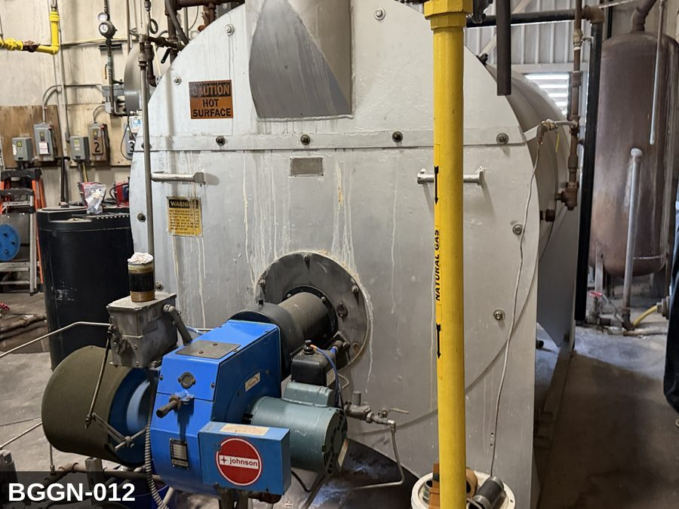 |  |  |  | 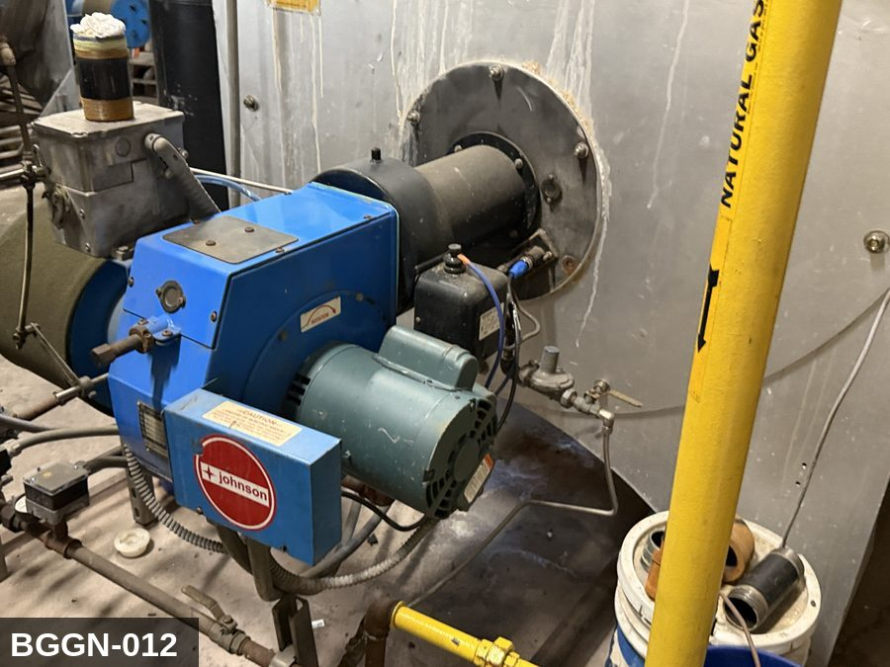

PHOTO OF EQUIPMENT |  |  |  | PHOTO OF ISOLATION / DISCONNECT
Energy Tag & Description | Isolation Procedure & Lockout Devices |  |  |  | Method of Verification
G — Gas ISOLATE ENERGY TAG & DESCRIPTION — G: GAS (G) — Natural-gas supply to the boiler burner. Manual upstream gas valve is the LOTO point per NFPA 85 + NFPA 86 — the safety shut-off valve (SSOV) is NOT a service-isolation device. Bleed residual gas through the pilot test port; do NOT bleed through the burner. | ISOLATION PROCEDURE — GAS: 1. After electrical isolation per the E procedure, locate the MANUAL gas-shutoff valve serving Boiler #2 (BGGN-012). This is the upstream ball or plug valve — NOT the automatic safety shut-off valve (SSOV). 2. Close the manual gas valve fully (handle perpendicular to pipe). 3. Apply a valve-lockout device (ball-valve lockout or chain-and-lock) and a personal padlock in the CLOSED position. 4. Apply a lockout tag with date, time, name, and reason. 5. Bleed residual gas pressure between the closed manual valve and the burner via the pilot bleed line or test-port (if present). Do NOT open burner connections to bleed. 6. Per NFPA 86, the SSOV alone does NOT meet LOTO — the manual upstream valve must be locked. Per Cal/OSHA §3314, gas is hazardous energy and requires the same group-LOTO discipline as electrical. |  |  |  | METHOD OF VERIFICATION — GAS: 1. Verify the manual gas-shutoff valve is closed (handle perpendicular to pipe) and locked. 2. Confirm the lockout device is rated for the valve handle and cannot be defeated without cutting the lock. 3. Use a calibrated combustible-gas indicator at the bleed port / pilot disconnect — confirm no gas reading downstream of the closed valve. 4. Attempt to start the burner via the control panel — confirm no ignition (the SSOV will open, but no gas reaches the burner because the manual valve is closed). 5. Physically verify the padlock is secure and the lockout tag is legible. NOTE: this verification does NOT rely on the SSOV. The SSOV is an automatic safety device; for service LOTO, only the manually-operable upstream valve counts as isolation per NFPA 86.

E — Electrical ISOLATE ENERGY TAG & DESCRIPTION — E: ELECTRICAL (E) — 208V/480V to forced-draft / induced-draft fan motors, feedwater pump, controls. 24VDC ignition controls. | ISOLATION PROCEDURE & LOCKOUT DEVICES — ELECTRICAL: 1. Notify all affected employees that LOTO is being performed on Boiler #2 (BGGN-012). 2. Complete the current cycle and press STOP, then E-STOP. 3. Locate the main electrical disconnect serving this equipment (labeled to the equipment). 4. Open the disconnect to the OFF position. 5. Apply a lockout device through the disconnect handle. Each authorized worker applies their own personal padlock (group-lock hasp if more than one worker) per Cal/OSHA §3314(k). 6. Apply a lockout tag with date, time, name, and reason. 7. If the equipment uses servo drives or VFDs, allow 5 minutes for DC-bus capacitors to discharge before opening any drive enclosure. |  |  |  | METHOD OF VERIFICATION — ELECTRICAL: 1. Use a calibrated voltage tester following the test-before-touch protocol per OSHA 1910.333: test the meter on a known live source, test the disconnect line/load terminals, then re-test the meter on the known live source. 2. Verify zero voltage at the motor or servo terminals downstream of the disconnect. 3. For servo drives / VFDs: confirm DC-bus capacitors have discharged (5-minute minimum) before opening drive enclosure. 4. Attempt to start the equipment from the control panel and HMI — confirm no response. 5. Physically verify all padlocks are secure and lockout tags are legible.

LOCKOUT REMOVAL PROCESS
1. Notify all AFFECTED employees that lockout is being removed 2. Inspect the work area to ensure tools and items have been removed 3. Verify that all employees are clear of the equipment 4. Verify that controls are in the neutral or off position |  |  |  | 5. Remove lockout devices, locks, and tags 6. Re-energize the equipment 7. Notify all AFFECTED employees that the equipment is back in service

Spanish translation on reverse — print double-sided.
Signature |  | Date |  | Dept |  |  | See PM Store in PT Folder

PROCEDIMIENTO DE BLOQUEO/ETIQUETADO
[ES] Fecha: 2026-08-29 · Escanee para placa digital
BORRADOR — NO REVISADO · traducción sin revisar
EQUIPO: BGGN-012 (Boiler 2 – Building Grounds) |  |  |  |  |  | Building & Grounds
¡MANTÉNGASE ALEJADO! VOLTAJE PELIGROSO Y PIEZAS EN MOVIMIENTO
CROSS-REF LOTO 2026-04-27: All 3 boilers (BGGN-011, BGGN-012, BGGN-013) share a common steam header. When working on steam distribution piping, all three must be locked at their individual steam isolation valves. Verify steam header pressure = 0 PSI before proceeding.

PROPÓSITO |  |  |  |  | PROCESO DE APLICACIÓN DE BLOQUEO
Este procedimiento establece los requisitos mínimos para el bloqueo de los dispositivos de aislamiento de energía. Garantiza que el equipo se detenga, se aísle de todas las fuentes de energía potencialmente peligrosas y se bloquee antes de realizar actividades de servicio o mantenimiento. |  |  |  |  | 1. Comunicar a todos los empleados AFECTADOS 2. Apagar el equipo usando procedimientos normales de parada 3. Aislar las fuentes de energía 4. Aplicar dispositivos de bloqueo, candados y etiquetas 5. Liberar toda la energía almacenada 6. Verificar que el equipo esté desenergizado intentando arrancarlo 7. Después de la prueba, colocar los controles en posición neutral

CÓDIGOS DE COLOR
E = Eléctrico | G = Gas |  | H = Hidráulico | P = Neumático |  | M = Mecánico |  | T = Térmico
W = Agua | S = Vapor |  | V = Válvula | CG = Gas Comprimido |  | CP = Panel Control |  | GR = Gravedad
IDENTIFICACIÓN DEL EQUIPO Y PROCEDIMIENTO DE AISLAMIENTO DE ENERGÍA

FOTO DEL EQUIPO |  |  |  | FOTO DE AISLAMIENTO / DESCONEXIÓN
Etiqueta y Descripción | Procedimiento de Aislamiento y Dispositivos |  |  |  | Método de Verificación
G — Gas AISLAR ETIQUETA DE ENERGÍA Y DESCRIPCIÓN — G: GAS (G) — Suministro de gas natural al quemador de la caldera. La válvula manual aguas arriba es el punto de LOTO per NFPA 85 + NFPA 86 — la válvula de seguridad de cierre automático (SSOV) NO es un dispositivo de aislamiento de servicio. Purgue el gas residual a través del puerto de prueba del piloto; NO purgue a través del quemador. | PROCEDIMIENTO DE AISLAMIENTO — GAS: 1. Después del aislamiento eléctrico per el procedimiento E, localice la válvula MANUAL de corte de gas que sirve a Boiler #2 (BGGN-012). Esta es la válvula de bola o tapón aguas arriba — NO la válvula de seguridad de cierre automático (SSOV). 2. Cierre la válvula manual de gas por completo (manija perpendicular a la tubería). 3. Aplique un dispositivo de bloqueo de válvula (bloqueo de válvula de bola o cadena con candado) y un candado personal en la posición CERRADA. 4. Aplique etiqueta de bloqueo con fecha, hora, nombre y razón. 5. Purgue la presión residual de gas entre la válvula manual cerrada y el quemador a través de la línea de purga del piloto o el puerto de prueba (si está presente). NO abra conexiones del quemador para purgar. 6. Per NFPA 86, la SSOV sola NO cumple con LOTO — la válvula manual aguas arriba debe ser bloqueada. Per Cal/OSHA §3314, el gas es energía peligrosa y requiere la misma disciplina LOTO grupal que el aislamiento eléctrico. |  |  |  | MÉTODO DE VERIFICACIÓN — GAS: 1. Verifique que la válvula manual de corte de gas está cerrada (manija perpendicular a la tubería) y bloqueada. 2. Confirme que el dispositivo de bloqueo está calificado para la manija de la válvula y no puede ser vencido sin cortar el candado. 3. Use un indicador calibrado de gas combustible en el puerto de purga / desconexión del piloto — confirme que no hay lectura de gas aguas abajo de la válvula cerrada. 4. Intente arrancar el quemador desde el panel de control — confirme que no hay encendido (la SSOV abrirá, pero no llega gas al quemador porque la válvula manual está cerrada). 5. Verifique físicamente que el candado esté seguro y la etiqueta de bloqueo sea legible. NOTA: esta verificación NO depende de la SSOV. La SSOV es un dispositivo automático de seguridad; para servicio LOTO, sólo la válvula manual aguas arriba cuenta como aislamiento per NFPA 86.

E — Eléctrico AISLAR ETIQUETA DE ENERGÍA Y DESCRIPCIÓN — E: ELÉCTRICO (E) — 208V/480V a motores de ventilador de tiro forzado / inducido, bomba de agua de alimentación, controles. Controles de encendido 24VDC. | PROCEDIMIENTO DE AISLAMIENTO Y DISPOSITIVOS DE BLOQUEO — ELÉCTRICO: 1. Notifique a todos los empleados afectados que se está realizando LOTO en Boiler #2 (BGGN-012). 2. Complete el ciclo actual y presione PARO, luego PARO DE EMERGENCIA. 3. Localice el desconectador eléctrico principal que sirve este equipo (etiquetado al equipo). 4. Abra el desconectador a la posición OFF. 5. Aplique un dispositivo de bloqueo a través de la manija del desconectador. Cada trabajador autorizado aplica su propio candado personal (broche de candado grupal si hay más de un trabajador) per Cal/OSHA §3314(k). 6. Aplique etiqueta de bloqueo con fecha, hora, nombre y razón. 7. Si el equipo usa servo-drives o VFDs, permita 5 minutos para que los capacitores del bus DC se descarguen antes de abrir cualquier gabinete de drive. |  |  |  | MÉTODO DE VERIFICACIÓN — ELÉCTRICO: 1. Use un comprobador de voltaje calibrado siguiendo el protocolo "probar antes de tocar" per OSHA 1910.333: pruebe el medidor en una fuente viva conocida, pruebe los terminales de línea/carga del desconectador, luego re-pruebe el medidor en la fuente viva conocida. 2. Verifique cero voltaje en los terminales del motor o servo aguas abajo del desconectador. 3. Para servo-drives / VFDs: confirme que los capacitores del bus DC se han descargado (5 minutos mínimo) antes de abrir el gabinete del drive. 4. Intente arrancar el equipo desde el panel de control y HMI — confirme que no hay respuesta. 5. Verifique físicamente que todos los candados estén seguros y las etiquetas de bloqueo sean legibles.

PROCESO DE REMOCIÓN DE BLOQUEO
1. Notificar a todos los empleados AFECTADOS que se está retirando el bloqueo 2. Inspeccionar el área de trabajo para asegurar que se hayan retirado herramientas y objetos 3. Verificar que todos los empleados estén lejos del equipo 4. Verificar que los controles estén en posición neutral o apagada |  |  |  | 5. Retirar los dispositivos de bloqueo, candados y etiquetas 6. Volver a energizar el equipo 7. Notificar a los empleados AFECTADOS que el equipo está de vuelta en servicio

Traducción al inglés al reverso — imprimir a doble cara.
Firma |  | Fecha |  | Depto |  |  | Ver PM Store en carpeta PT

LOCKOUT/TAGOUT PROCEDURE
[EN] Date: 2026-08-29 · Scan for digital placard
EQUIPMENT: BGGN-013 (Boiler 3 – Building Grounds) |  |  |  |  |  | Building & Grounds
KEEP OUT! HAZARDOUS VOLTAGE AND MOVING PARTS
CROSS-REF LOTO 2026-04-27: All 3 boilers (BGGN-011, BGGN-012, BGGN-013) share a common steam header. When working on steam distribution piping, all three must be locked at their individual steam isolation valves. Verify steam header pressure = 0 PSI before proceeding.

PURPOSE |  |  |  |  | LOCKOUT APPLICATION PROCESS
This procedure establishes the minimum requirements for lockout of energy-isolating devices. It ensures equipment is stopped, isolated from all potentially hazardous energy sources, and locked out before any servicing or maintenance activities are performed. |  |  |  |  | 1. Communicate to all AFFECTED employees 2. Shut down the equipment using normal stopping procedures 3. Isolate energy sources 4. Apply lockout devices, locks, and tags 5. Release all stored energy 6. Verify equipment is de-energized by attempting to start up 7. After test, place controls in a neutral position

COLOR CODES
E = Electrical | G = Gas |  | H = Hydraulic | P = Pneumatic |  | M = Mechanical |  | T = Thermal
W = Water | S = Steam |  | V = Valve | CG = Compressed Gas |  | CP = Control Panel |  | GR = Gravity
EQUIPMENT IDENTIFICATION AND ENERGY ISOLATION PROCEDURE
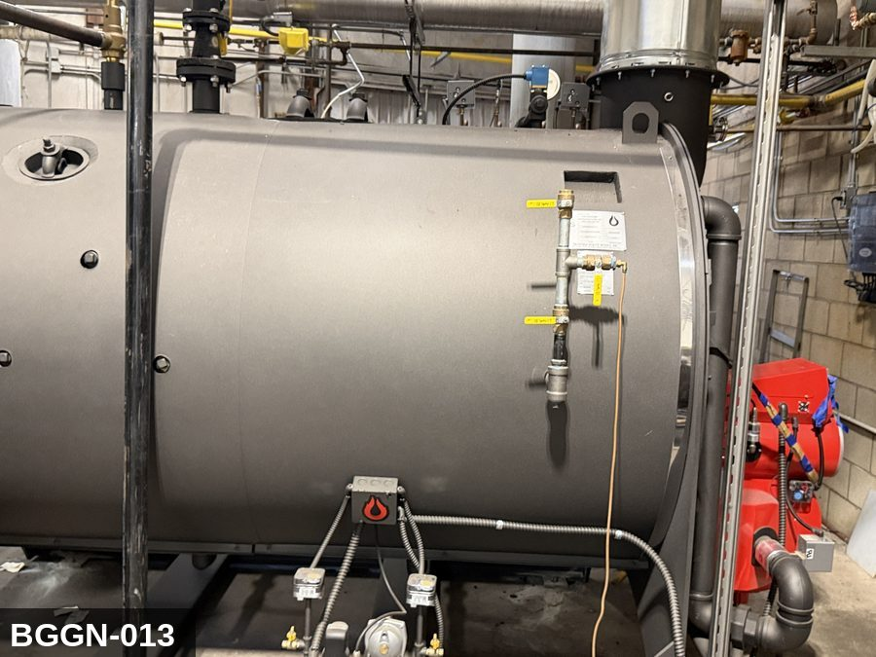 |  |  |  | 

PHOTO OF EQUIPMENT |  |  |  | PHOTO OF ISOLATION / DISCONNECT
Energy Tag & Description | Isolation Procedure & Lockout Devices |  |  |  | Method of Verification
G — Gas ISOLATE ENERGY TAG & DESCRIPTION — G: GAS (G) — Natural-gas supply to the boiler burner. Manual upstream gas valve is the LOTO point per NFPA 85 + NFPA 86 — the safety shut-off valve (SSOV) is NOT a service-isolation device. Bleed residual gas through the pilot test port; do NOT bleed through the burner. | ISOLATION PROCEDURE — GAS: 1. After electrical isolation per the E procedure, locate the MANUAL gas-shutoff valve serving Boiler #3 (BGGN-013). This is the upstream ball or plug valve — NOT the automatic safety shut-off valve (SSOV). 2. Close the manual gas valve fully (handle perpendicular to pipe). 3. Apply a valve-lockout device (ball-valve lockout or chain-and-lock) and a personal padlock in the CLOSED position. 4. Apply a lockout tag with date, time, name, and reason. 5. Bleed residual gas pressure between the closed manual valve and the burner via the pilot bleed line or test-port (if present). Do NOT open burner connections to bleed. 6. Per NFPA 86, the SSOV alone does NOT meet LOTO — the manual upstream valve must be locked. Per Cal/OSHA §3314, gas is hazardous energy and requires the same group-LOTO discipline as electrical. |  |  |  | METHOD OF VERIFICATION — GAS: 1. Verify the manual gas-shutoff valve is closed (handle perpendicular to pipe) and locked. 2. Confirm the lockout device is rated for the valve handle and cannot be defeated without cutting the lock. 3. Use a calibrated combustible-gas indicator at the bleed port / pilot disconnect — confirm no gas reading downstream of the closed valve. 4. Attempt to start the burner via the control panel — confirm no ignition (the SSOV will open, but no gas reaches the burner because the manual valve is closed). 5. Physically verify the padlock is secure and the lockout tag is legible. NOTE: this verification does NOT rely on the SSOV. The SSOV is an automatic safety device; for service LOTO, only the manually-operable upstream valve counts as isolation per NFPA 86.

E — Electrical ISOLATE ENERGY TAG & DESCRIPTION — E: ELECTRICAL (E) — 208V/480V to forced-draft / induced-draft fan motors, feedwater pump, controls. 24VDC ignition controls. | ISOLATION PROCEDURE & LOCKOUT DEVICES — ELECTRICAL: 1. Notify all affected employees that LOTO is being performed on Boiler #3 (BGGN-013). 2. Complete the current cycle and press STOP, then E-STOP. 3. Locate the main electrical disconnect serving this equipment (labeled to the equipment). 4. Open the disconnect to the OFF position. 5. Apply a lockout device through the disconnect handle. Each authorized worker applies their own personal padlock (group-lock hasp if more than one worker) per Cal/OSHA §3314(k). 6. Apply a lockout tag with date, time, name, and reason. 7. If the equipment uses servo drives or VFDs, allow 5 minutes for DC-bus capacitors to discharge before opening any drive enclosure. |  |  |  | METHOD OF VERIFICATION — ELECTRICAL: 1. Use a calibrated voltage tester following the test-before-touch protocol per OSHA 1910.333: test the meter on a known live source, test the disconnect line/load terminals, then re-test the meter on the known live source. 2. Verify zero voltage at the motor or servo terminals downstream of the disconnect. 3. For servo drives / VFDs: confirm DC-bus capacitors have discharged (5-minute minimum) before opening drive enclosure. 4. Attempt to start the equipment from the control panel and HMI — confirm no response. 5. Physically verify all padlocks are secure and lockout tags are legible.

LOCKOUT REMOVAL PROCESS
1. Notify all AFFECTED employees that lockout is being removed 2. Inspect the work area to ensure tools and items have been removed 3. Verify that all employees are clear of the equipment 4. Verify that controls are in the neutral or off position |  |  |  | 5. Remove lockout devices, locks, and tags 6. Re-energize the equipment 7. Notify all AFFECTED employees that the equipment is back in service

Spanish translation on reverse — print double-sided.
Signature |  | Date |  | Dept |  |  | See PM Store in PT Folder

PROCEDIMIENTO DE BLOQUEO/ETIQUETADO
[ES] Fecha: 2026-08-29 · Escanee para placa digital
BORRADOR — NO REVISADO · traducción sin revisar
EQUIPO: BGGN-013 (Boiler 3 – Building Grounds) |  |  |  |  |  | Building & Grounds
¡MANTÉNGASE ALEJADO! VOLTAJE PELIGROSO Y PIEZAS EN MOVIMIENTO
CROSS-REF LOTO 2026-04-27: All 3 boilers (BGGN-011, BGGN-012, BGGN-013) share a common steam header. When working on steam distribution piping, all three must be locked at their individual steam isolation valves. Verify steam header pressure = 0 PSI before proceeding.

PROPÓSITO |  |  |  |  | PROCESO DE APLICACIÓN DE BLOQUEO
Este procedimiento establece los requisitos mínimos para el bloqueo de los dispositivos de aislamiento de energía. Garantiza que el equipo se detenga, se aísle de todas las fuentes de energía potencialmente peligrosas y se bloquee antes de realizar actividades de servicio o mantenimiento. |  |  |  |  | 1. Comunicar a todos los empleados AFECTADOS 2. Apagar el equipo usando procedimientos normales de parada 3. Aislar las fuentes de energía 4. Aplicar dispositivos de bloqueo, candados y etiquetas 5. Liberar toda la energía almacenada 6. Verificar que el equipo esté desenergizado intentando arrancarlo 7. Después de la prueba, colocar los controles en posición neutral

CÓDIGOS DE COLOR
E = Eléctrico | G = Gas |  | H = Hidráulico | P = Neumático |  | M = Mecánico |  | T = Térmico
W = Agua | S = Vapor |  | V = Válvula | CG = Gas Comprimido |  | CP = Panel Control |  | GR = Gravedad
IDENTIFICACIÓN DEL EQUIPO Y PROCEDIMIENTO DE AISLAMIENTO DE ENERGÍA

FOTO DEL EQUIPO |  |  |  | FOTO DE AISLAMIENTO / DESCONEXIÓN
Etiqueta y Descripción | Procedimiento de Aislamiento y Dispositivos |  |  |  | Método de Verificación
G — Gas AISLAR ETIQUETA DE ENERGÍA Y DESCRIPCIÓN — G: GAS (G) — Suministro de gas natural al quemador de la caldera. La válvula manual aguas arriba es el punto de LOTO per NFPA 85 + NFPA 86 — la válvula de seguridad de cierre automático (SSOV) NO es un dispositivo de aislamiento de servicio. Purgue el gas residual a través del puerto de prueba del piloto; NO purgue a través del quemador. | PROCEDIMIENTO DE AISLAMIENTO — GAS: 1. Después del aislamiento eléctrico per el procedimiento E, localice la válvula MANUAL de corte de gas que sirve a Boiler #3 (BGGN-013). Esta es la válvula de bola o tapón aguas arriba — NO la válvula de seguridad de cierre automático (SSOV). 2. Cierre la válvula manual de gas por completo (manija perpendicular a la tubería). 3. Aplique un dispositivo de bloqueo de válvula (bloqueo de válvula de bola o cadena con candado) y un candado personal en la posición CERRADA. 4. Aplique etiqueta de bloqueo con fecha, hora, nombre y razón. 5. Purgue la presión residual de gas entre la válvula manual cerrada y el quemador a través de la línea de purga del piloto o el puerto de prueba (si está presente). NO abra conexiones del quemador para purgar. 6. Per NFPA 86, la SSOV sola NO cumple con LOTO — la válvula manual aguas arriba debe ser bloqueada. Per Cal/OSHA §3314, el gas es energía peligrosa y requiere la misma disciplina LOTO grupal que el aislamiento eléctrico. |  |  |  | MÉTODO DE VERIFICACIÓN — GAS: 1. Verifique que la válvula manual de corte de gas está cerrada (manija perpendicular a la tubería) y bloqueada. 2. Confirme que el dispositivo de bloqueo está calificado para la manija de la válvula y no puede ser vencido sin cortar el candado. 3. Use un indicador calibrado de gas combustible en el puerto de purga / desconexión del piloto — confirme que no hay lectura de gas aguas abajo de la válvula cerrada. 4. Intente arrancar el quemador desde el panel de control — confirme que no hay encendido (la SSOV abrirá, pero no llega gas al quemador porque la válvula manual está cerrada). 5. Verifique físicamente que el candado esté seguro y la etiqueta de bloqueo sea legible. NOTA: esta verificación NO depende de la SSOV. La SSOV es un dispositivo automático de seguridad; para servicio LOTO, sólo la válvula manual aguas arriba cuenta como aislamiento per NFPA 86.

E — Eléctrico AISLAR ETIQUETA DE ENERGÍA Y DESCRIPCIÓN — E: ELÉCTRICO (E) — 208V/480V a motores de ventilador de tiro forzado / inducido, bomba de agua de alimentación, controles. Controles de encendido 24VDC. | PROCEDIMIENTO DE AISLAMIENTO Y DISPOSITIVOS DE BLOQUEO — ELÉCTRICO: 1. Notifique a todos los empleados afectados que se está realizando LOTO en Boiler #3 (BGGN-013). 2. Complete el ciclo actual y presione PARO, luego PARO DE EMERGENCIA. 3. Localice el desconectador eléctrico principal que sirve este equipo (etiquetado al equipo). 4. Abra el desconectador a la posición OFF. 5. Aplique un dispositivo de bloqueo a través de la manija del desconectador. Cada trabajador autorizado aplica su propio candado personal (broche de candado grupal si hay más de un trabajador) per Cal/OSHA §3314(k). 6. Aplique etiqueta de bloqueo con fecha, hora, nombre y razón. 7. Si el equipo usa servo-drives o VFDs, permita 5 minutos para que los capacitores del bus DC se descarguen antes de abrir cualquier gabinete de drive. |  |  |  | MÉTODO DE VERIFICACIÓN — ELÉCTRICO: 1. Use un comprobador de voltaje calibrado siguiendo el protocolo "probar antes de tocar" per OSHA 1910.333: pruebe el medidor en una fuente viva conocida, pruebe los terminales de línea/carga del desconectador, luego re-pruebe el medidor en la fuente viva conocida. 2. Verifique cero voltaje en los terminales del motor o servo aguas abajo del desconectador. 3. Para servo-drives / VFDs: confirme que los capacitores del bus DC se han descargado (5 minutos mínimo) antes de abrir el gabinete del drive. 4. Intente arrancar el equipo desde el panel de control y HMI — confirme que no hay respuesta. 5. Verifique físicamente que todos los candados estén seguros y las etiquetas de bloqueo sean legibles.

PROCESO DE REMOCIÓN DE BLOQUEO
1. Notificar a todos los empleados AFECTADOS que se está retirando el bloqueo 2. Inspeccionar el área de trabajo para asegurar que se hayan retirado herramientas y objetos 3. Verificar que todos los empleados estén lejos del equipo 4. Verificar que los controles estén en posición neutral o apagada |  |  |  | 5. Retirar los dispositivos de bloqueo, candados y etiquetas 6. Volver a energizar el equipo 7. Notificar a los empleados AFECTADOS que el equipo está de vuelta en servicio

Traducción al inglés al reverso — imprimir a doble cara.
Firma |  | Fecha |  | Depto |  |  | Ver PM Store en carpeta PT

LOCKOUT/TAGOUT PROCEDURE
[EN] Date: 2026-08-29 · Scan for digital placard
EQUIPMENT: BGGN-020 (Trash Compactor – Building Grounds) |  |  |  |  |  | Building & Grounds
KEEP OUT! HAZARDOUS VOLTAGE AND MOVING PARTS
This equipment must be locked out and tagged out before servicing or maintenance. Follow the procedure below to isolate all energy sources.
PURPOSE |  |  |  |  | LOCKOUT APPLICATION PROCESS
This procedure establishes the minimum requirements for lockout of energy-isolating devices. It ensures equipment is stopped, isolated from all potentially hazardous energy sources, and locked out before any servicing or maintenance activities are performed. |  |  |  |  | 1. Communicate to all AFFECTED employees 2. Shut down the equipment using normal stopping procedures 3. Isolate energy sources 4. Apply lockout devices, locks, and tags 5. Release all stored energy 6. Verify equipment is de-energized by attempting to start up 7. After test, place controls in a neutral position

COLOR CODES
E = Electrical | G = Gas |  | H = Hydraulic | P = Pneumatic |  | M = Mechanical |  | T = Thermal
W = Water | S = Steam |  | V = Valve | CG = Compressed Gas |  | CP = Control Panel |  | GR = Gravity
EQUIPMENT IDENTIFICATION AND ENERGY ISOLATION PROCEDURE
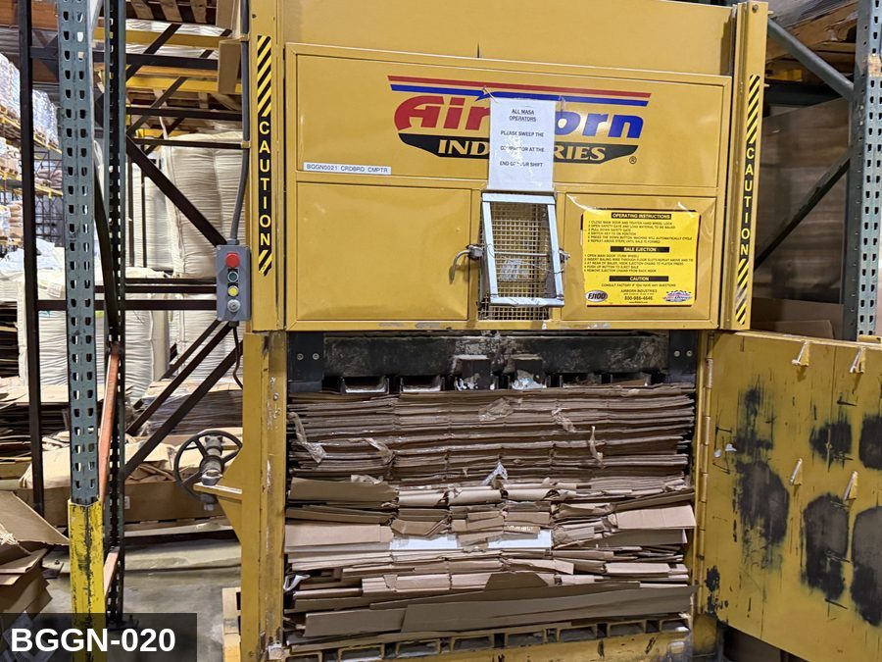 |  |  |  | 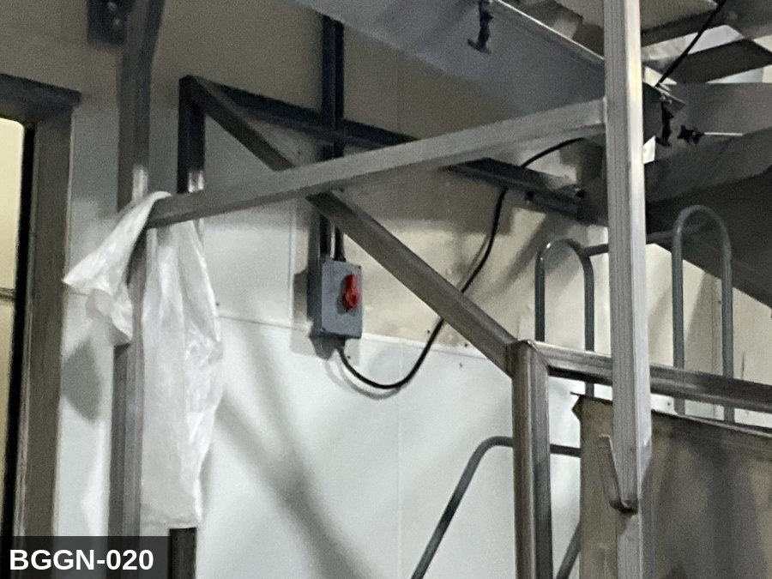

PHOTO OF EQUIPMENT |  |  |  | PHOTO OF ISOLATION / DISCONNECT
Energy Tag & Description | Isolation Procedure & Lockout Devices |  |  |  | Method of Verification
H — Hydraulic ISOLATE ENERGY TAG & DESCRIPTION — H: (COMPACTOR/H) — detail pending; populate in loto_templates.TAG_BODY. | ISOLATION PROCEDURE — H: (Procedure for energy type H not yet implemented.) |  |  |  | METHOD OF VERIFICATION — H: (Verification for energy type H not yet implemented.)

E — Electrical ISOLATE ENERGY TAG & DESCRIPTION — E: ELECTRICAL (E) — 208V/480V three-phase to hydraulic pump motor, controls, photo-eye sensors. Interlocked door switches. | ISOLATION PROCEDURE & LOCKOUT DEVICES — ELECTRICAL: 1. Notify all affected employees that LOTO is being performed on Trash Compactor (BGGN-020). 2. Complete the current cycle and press STOP, then E-STOP. 3. Locate the main electrical disconnect serving this equipment (labeled to the equipment). 4. Open the disconnect to the OFF position. 5. Apply a lockout device through the disconnect handle. Each authorized worker applies their own personal padlock (group-lock hasp if more than one worker) per Cal/OSHA §3314(k). 6. Apply a lockout tag with date, time, name, and reason. 7. If the equipment uses servo drives or VFDs, allow 5 minutes for DC-bus capacitors to discharge before opening any drive enclosure. |  |  |  | METHOD OF VERIFICATION — ELECTRICAL: 1. Use a calibrated voltage tester following the test-before-touch protocol per OSHA 1910.333: test the meter on a known live source, test the disconnect line/load terminals, then re-test the meter on the known live source. 2. Verify zero voltage at the motor or servo terminals downstream of the disconnect. 3. For servo drives / VFDs: confirm DC-bus capacitors have discharged (5-minute minimum) before opening drive enclosure. 4. Attempt to start the equipment from the control panel and HMI — confirm no response. 5. Physically verify all padlocks are secure and lockout tags are legible.

M — Mechanical ISOLATE ENERGY TAG & DESCRIPTION — M: MECHANICAL (M) — Hydraulic ram with extreme force (50,000-100,000 lbf). Severe crushing hazard. RAM SAFETY STRUT REQUIRED before any work inside the chamber — never rely on hydraulic cylinders to hold the ram retracted. | ISOLATION PROCEDURE — MECHANICAL: 1. After electrical isolation per the E procedure, manually verify all rotating/reciprocating components of Trash Compactor (BGGN-020) have completely stopped. 2. Identify residual stored mechanical energy: chain tension, eccentric flywheel/cam momentum, spring-loaded covers and doors. 3. Block, chock, or pin any component that could move under its own weight or stored energy. 4. Where applicable install drive-shaft pins or transmission locks; release belt/chain tension before reaching past the guarding. 5. Apply a lockout tag at the point of mechanical work identifying the worker and the hazard. Cal/OSHA §3314 construes 'minor servicing' narrowly — default to full LOTO including mechanical blocking; do NOT rely solely on the electrical disconnect. |  |  |  | METHOD OF VERIFICATION — MECHANICAL: 1. Visually confirm all rotating and reciprocating components have completely stopped — full coast-down completed. 2. For high-speed servo equipment (case packers, palletizers): wait the manufacturer-specified coast-down before reaching past the guarding. 3. Attempt to manually rotate drive shafts at the input side or jog the system — confirm no movement or kickback. 4. Physically inspect blocks, chocks, or pins for engagement. 5. Confirm belt/chain tension has been released where applicable.

LOCKOUT REMOVAL PROCESS
1. Notify all AFFECTED employees that lockout is being removed 2. Inspect the work area to ensure tools and items have been removed 3. Verify that all employees are clear of the equipment 4. Verify that controls are in the neutral or off position |  |  |  | 5. Remove lockout devices, locks, and tags 6. Re-energize the equipment 7. Notify all AFFECTED employees that the equipment is back in service

Spanish translation on reverse — print double-sided.
Signature |  | Date |  | Dept |  |  | See PM Store in PT Folder

PROCEDIMIENTO DE BLOQUEO/ETIQUETADO
[ES] Fecha: 2026-08-29 · Escanee para placa digital
BORRADOR — NO REVISADO · traducción sin revisar
EQUIPO: BGGN-020 (Trash Compactor – Building Grounds) |  |  |  |  |  | Building & Grounds
¡MANTÉNGASE ALEJADO! VOLTAJE PELIGROSO Y PIEZAS EN MOVIMIENTO
Este equipo debe bloquearse y etiquetarse antes de darle servicio o mantenimiento. Siga el procedimiento a continuación para aislar todas las fuentes de energía.
PROPÓSITO |  |  |  |  | PROCESO DE APLICACIÓN DE BLOQUEO
Este procedimiento establece los requisitos mínimos para el bloqueo de los dispositivos de aislamiento de energía. Garantiza que el equipo se detenga, se aísle de todas las fuentes de energía potencialmente peligrosas y se bloquee antes de realizar actividades de servicio o mantenimiento. |  |  |  |  | 1. Comunicar a todos los empleados AFECTADOS 2. Apagar el equipo usando procedimientos normales de parada 3. Aislar las fuentes de energía 4. Aplicar dispositivos de bloqueo, candados y etiquetas 5. Liberar toda la energía almacenada 6. Verificar que el equipo esté desenergizado intentando arrancarlo 7. Después de la prueba, colocar los controles en posición neutral

CÓDIGOS DE COLOR
E = Eléctrico | G = Gas |  | H = Hidráulico | P = Neumático |  | M = Mecánico |  | T = Térmico
W = Agua | S = Vapor |  | V = Válvula | CG = Gas Comprimido |  | CP = Panel Control |  | GR = Gravedad
IDENTIFICACIÓN DEL EQUIPO Y PROCEDIMIENTO DE AISLAMIENTO DE ENERGÍA

FOTO DEL EQUIPO |  |  |  | FOTO DE AISLAMIENTO / DESCONEXIÓN
Etiqueta y Descripción | Procedimiento de Aislamiento y Dispositivos |  |  |  | Método de Verificación
H — Hidráulico AISLAR ETIQUETA DE ENERGÍA Y DESCRIPCIÓN — H: (COMPACTOR/H) — detalle pendiente; complete en loto_templates_es.TAG_BODY_ES. | PROCEDIMIENTO DE AISLAMIENTO — H: (Procedimiento para el tipo de energía H aún no implementado.) |  |  |  | MÉTODO DE VERIFICACIÓN — H: (Verificación para el tipo de energía H aún no implementada.)

E — Eléctrico AISLAR ETIQUETA DE ENERGÍA Y DESCRIPCIÓN — E: ELÉCTRICO (E) — 208V/480V trifásico al motor de la bomba hidráulica, controles, sensores de fotocelda. Interruptores de interlock de puerta. | PROCEDIMIENTO DE AISLAMIENTO Y DISPOSITIVOS DE BLOQUEO — ELÉCTRICO: 1. Notifique a todos los empleados afectados que se está realizando LOTO en Trash Compactor (BGGN-020). 2. Complete el ciclo actual y presione PARO, luego PARO DE EMERGENCIA. 3. Localice el desconectador eléctrico principal que sirve este equipo (etiquetado al equipo). 4. Abra el desconectador a la posición OFF. 5. Aplique un dispositivo de bloqueo a través de la manija del desconectador. Cada trabajador autorizado aplica su propio candado personal (broche de candado grupal si hay más de un trabajador) per Cal/OSHA §3314(k). 6. Aplique etiqueta de bloqueo con fecha, hora, nombre y razón. 7. Si el equipo usa servo-drives o VFDs, permita 5 minutos para que los capacitores del bus DC se descarguen antes de abrir cualquier gabinete de drive. |  |  |  | MÉTODO DE VERIFICACIÓN — ELÉCTRICO: 1. Use un comprobador de voltaje calibrado siguiendo el protocolo "probar antes de tocar" per OSHA 1910.333: pruebe el medidor en una fuente viva conocida, pruebe los terminales de línea/carga del desconectador, luego re-pruebe el medidor en la fuente viva conocida. 2. Verifique cero voltaje en los terminales del motor o servo aguas abajo del desconectador. 3. Para servo-drives / VFDs: confirme que los capacitores del bus DC se han descargado (5 minutos mínimo) antes de abrir el gabinete del drive. 4. Intente arrancar el equipo desde el panel de control y HMI — confirme que no hay respuesta. 5. Verifique físicamente que todos los candados estén seguros y las etiquetas de bloqueo sean legibles.

M — Mecánico AISLAR ETIQUETA DE ENERGÍA Y DESCRIPCIÓN — M: MECÁNICO (M) — Ariete hidráulico con fuerza extrema (50,000-100,000 lbf). Peligro severo de aplastamiento. SE REQUIERE PUNTAL DE SEGURIDAD DEL ARIETE antes de cualquier trabajo dentro de la cámara — nunca confíe en cilindros hidráulicos para sostener el ariete retraído. | PROCEDIMIENTO DE AISLAMIENTO — MECÁNICO: 1. Después del aislamiento eléctrico per el procedimiento E, verifique manualmente que todos los componentes rotativos/reciprocantes de Trash Compactor (BGGN-020) hayan parado completamente. 2. Identifique energía mecánica almacenada residual: tensión de cadena, inercia excéntrica de volante/leva, cubiertas y puertas accionadas por resorte. 3. Bloquee, calce o pase pasadores a cualquier componente que pudiera moverse por su propio peso o energía almacenada. 4. Donde aplique, instale pasadores en el eje de impulsión o bloqueos de transmisión; libere la tensión de banda/cadena antes de alcanzar más allá del guardado. 5. Aplique etiqueta de bloqueo en el punto de trabajo mecánico identificando al trabajador y al peligro. Cal/OSHA §3314 interpreta la excepción de "servicio menor" en forma estrecha — por defecto LOTO completo incluyendo bloqueo mecánico; NO confíe únicamente en el desconectador eléctrico. |  |  |  | MÉTODO DE VERIFICACIÓN — MECÁNICO: 1. Confirme visualmente que todos los componentes rotativos y reciprocantes han parado por completo — desaceleración completa concluida. 2. Para equipo servo de alta velocidad (empacadoras de cajas, paletizadores): espere la desaceleración especificada por el fabricante antes de alcanzar más allá del guardado. 3. Intente girar manualmente los ejes de impulsión en el lado de entrada o impulsar el sistema — confirme que no hay movimiento ni retroceso. 4. Inspeccione físicamente los bloques, calzas o pasadores en su acoplamiento. 5. Confirme que la tensión de banda/cadena ha sido liberada donde aplique.

PROCESO DE REMOCIÓN DE BLOQUEO
1. Notificar a todos los empleados AFECTADOS que se está retirando el bloqueo 2. Inspeccionar el área de trabajo para asegurar que se hayan retirado herramientas y objetos 3. Verificar que todos los empleados estén lejos del equipo 4. Verificar que los controles estén en posición neutral o apagada |  |  |  | 5. Retirar los dispositivos de bloqueo, candados y etiquetas 6. Volver a energizar el equipo 7. Notificar a los empleados AFECTADOS que el equipo está de vuelta en servicio

Traducción al inglés al reverso — imprimir a doble cara.
Firma |  | Fecha |  | Depto |  |  | Ver PM Store en carpeta PT

LOCKOUT/TAGOUT PROCEDURE
[EN] Date: 2026-08-29 · Scan for digital placard
EQUIPMENT: BGGN-021 (Cardboard Compactor – Building Grounds) |  |  |  |  |  | Building & Grounds
KEEP OUT! HAZARDOUS VOLTAGE AND MOVING PARTS
This equipment must be locked out and tagged out before servicing or maintenance. Follow the procedure below to isolate all energy sources.
PURPOSE |  |  |  |  | LOCKOUT APPLICATION PROCESS
This procedure establishes the minimum requirements for lockout of energy-isolating devices. It ensures equipment is stopped, isolated from all potentially hazardous energy sources, and locked out before any servicing or maintenance activities are performed. |  |  |  |  | 1. Communicate to all AFFECTED employees 2. Shut down the equipment using normal stopping procedures 3. Isolate energy sources 4. Apply lockout devices, locks, and tags 5. Release all stored energy 6. Verify equipment is de-energized by attempting to start up 7. After test, place controls in a neutral position

COLOR CODES
E = Electrical | G = Gas |  | H = Hydraulic | P = Pneumatic |  | M = Mechanical |  | T = Thermal
W = Water | S = Steam |  | V = Valve | CG = Compressed Gas |  | CP = Control Panel |  | GR = Gravity
EQUIPMENT IDENTIFICATION AND ENERGY ISOLATION PROCEDURE
 |  |  |  | 

PHOTO OF EQUIPMENT |  |  |  | PHOTO OF ISOLATION / DISCONNECT
Energy Tag & Description | Isolation Procedure & Lockout Devices |  |  |  | Method of Verification
N — None SHUTDOWN Operating controls (normal stop) | Notify all affected production and sanitation employees, then bring the machine to a normal, controlled stop using its operating controls.

E — Electrical ISOLATE Main electrical disconnect | ELECTRICAL - Open the machine's main electrical disconnect to the OFF position. [VERIFY ON SITE: disconnect ID & location]

H — Hydraulic ISOLATE Hydraulic isolation valve | HYDRAULIC - Close the hydraulic supply/isolation valve and confirm the pump is de-energized. [VERIFY ON SITE: valve location]

M — Mechanical ISOLATE Drive brake / rotating parts | MECHANICAL - Confirm all drives are commanded off and engage any drive brake / anti-rotation pin provided. [VERIFY ON SITE: brake/pin location]

E — Electrical RELEASE STORED ENERGY Main electrical disconnect | ELECTRICAL - Allow VFD/servo DC-bus capacitors to discharge before contact (minimum 5 minutes, or per nameplate). [VERIFY ON SITE: drive discharge time]

H — Hydraulic RELEASE STORED ENERGY Hydraulic isolation valve | HYDRAULIC - Relieve hydraulic pressure to 0 AND block any gravity-loaded member (ram, bowl, carriage) before work. [VERIFY ON SITE: blocking method]

M — Mechanical RELEASE STORED ENERGY Drive brake / rotating parts | MECHANICAL - Allow all rotating or coasting parts (motors, fans, flywheels, blades, rollers) to come to a complete stop.

N — None LOCKOUT All isolation devices listed above | Apply an assigned lock AND a durable tag at EACH isolating device listed above. Each authorized worker applies their own lock (group lockout where required).

E — Electrical VERIFY ZERO ENERGY Main electrical disconnect | ELECTRICAL - With a calibrated meter, verify 0 V on the load side of the disconnect, phase-to-phase and phase-to-ground (test the meter on a known live source first and after). |  |  |  | ELECTRICAL - With a calibrated meter, verify 0 V on the load side of the disconnect, phase-to-phase and phase-to-ground (test the meter on a known live source first and after).

H — Hydraulic VERIFY ZERO ENERGY Hydraulic isolation valve | HYDRAULIC - Confirm the hydraulic gauge reads 0 and the gravity-loaded member is physically blocked. |  |  |  | HYDRAULIC - Confirm the hydraulic gauge reads 0 and the gravity-loaded member is physically blocked.

N — None VERIFY ZERO ENERGY Tryout at operating controls | Attempt to start the machine from its normal controls to confirm no response, then return all controls to OFF / neutral. |  |  |  | Attempt to start the machine from its normal controls to confirm no response, then return all controls to OFF / neutral.

LOCKOUT REMOVAL PROCESS
1. Notify all AFFECTED employees that lockout is being removed 2. Inspect the work area to ensure tools and items have been removed 3. Verify that all employees are clear of the equipment 4. Verify that controls are in the neutral or off position |  |  |  | 5. Remove lockout devices, locks, and tags 6. Re-energize the equipment 7. Notify all AFFECTED employees that the equipment is back in service

Spanish translation on reverse — print double-sided.
Signature |  | Date |  | Dept |  |  | See PM Store in PT Folder

PROCEDIMIENTO DE BLOQUEO/ETIQUETADO
[ES] Fecha: 2026-08-29 · Escanee para placa digital
BORRADOR — NO REVISADO · traducción sin revisar
EQUIPO: BGGN-021 (Cardboard Compactor – Building Grounds) |  |  |  |  |  | Building & Grounds
¡MANTÉNGASE ALEJADO! VOLTAJE PELIGROSO Y PIEZAS EN MOVIMIENTO
Este equipo debe bloquearse y etiquetarse antes de darle servicio o mantenimiento. Siga el procedimiento a continuación para aislar todas las fuentes de energía.
PROPÓSITO |  |  |  |  | PROCESO DE APLICACIÓN DE BLOQUEO
Este procedimiento establece los requisitos mínimos para el bloqueo de los dispositivos de aislamiento de energía. Garantiza que el equipo se detenga, se aísle de todas las fuentes de energía potencialmente peligrosas y se bloquee antes de realizar actividades de servicio o mantenimiento. |  |  |  |  | 1. Comunicar a todos los empleados AFECTADOS 2. Apagar el equipo usando procedimientos normales de parada 3. Aislar las fuentes de energía 4. Aplicar dispositivos de bloqueo, candados y etiquetas 5. Liberar toda la energía almacenada 6. Verificar que el equipo esté desenergizado intentando arrancarlo 7. Después de la prueba, colocar los controles en posición neutral

CÓDIGOS DE COLOR
E = Eléctrico | G = Gas |  | H = Hidráulico | P = Neumático |  | M = Mecánico |  | T = Térmico
W = Agua | S = Vapor |  | V = Válvula | CG = Gas Comprimido |  | CP = Panel Control |  | GR = Gravedad
IDENTIFICACIÓN DEL EQUIPO Y PROCEDIMIENTO DE AISLAMIENTO DE ENERGÍA

FOTO DEL EQUIPO |  |  |  | FOTO DE AISLAMIENTO / DESCONEXIÓN
Etiqueta y Descripción | Procedimiento de Aislamiento y Dispositivos |  |  |  | Método de Verificación
N — Ninguno APAGADO Controles de operacion (paro normal) | Notifique a todos los empleados afectados de produccion y sanidad; luego detenga la maquina de forma normal y controlada con sus controles de operacion.

E — Eléctrico AISLAR Desconectador electrico principal | ELECTRICO - Abra el desconectador electrico principal a la posicion OFF (apagado). [VERIFY ON SITE: identificacion y ubicacion del desconectador]

H — Hidráulico AISLAR Valvula de aislamiento hidraulico | HIDRAULICO - Cierre la valvula de suministro/aislamiento hidraulico y confirme que la bomba este sin energia. [VERIFY ON SITE: ubicacion de la valvula]

M — Mecánico AISLAR Freno / piezas giratorias | MECANICO - Confirme que todos los accionamientos esten apagados y active el freno / seguro contra rotacion si existe. [VERIFY ON SITE: ubicacion del freno/seguro]

E — Eléctrico LIBERAR ENERGIA ALMACENADA Desconectador electrico principal | ELECTRICO - Permita que los capacitores del bus de CD del VFD/servo se descarguen antes del contacto (minimo 5 minutos o segun placa). [VERIFY ON SITE: tiempo de descarga del variador]

H — Hidráulico LIBERAR ENERGIA ALMACENADA Valvula de aislamiento hidraulico | HIDRAULICO - Alivie la presion hidraulica a 0 Y bloquee cualquier elemento cargado por gravedad (ariete, tazon, carro) antes de trabajar. [VERIFY ON SITE: metodo de bloqueo]

M — Mecánico LIBERAR ENERGIA ALMACENADA Freno / piezas giratorias | MECANICO - Permita que todas las piezas giratorias o en inercia (motores, ventiladores, volantes, cuchillas, rodillos) se detengan por completo.

N — Ninguno BLOQUEO Todos los dispositivos de aislamiento anteriores | Coloque un candado asignado Y una etiqueta duradera en CADA dispositivo de aislamiento anterior. Cada trabajador autorizado coloca su propio candado (bloqueo grupal cuando se requiera).

E — Eléctrico VERIFICAR ENERGIA CERO Desconectador electrico principal | ELECTRICO - Con un multimetro calibrado, verifique 0 V en el lado de carga del desconectador, fase a fase y fase a tierra (pruebe el multimetro en una fuente viva conocida antes y despues). |  |  |  | ELECTRICO - Con un multimetro calibrado, verifique 0 V en el lado de carga del desconectador, fase a fase y fase a tierra (pruebe el multimetro en una fuente viva conocida antes y despues).

H — Hidráulico VERIFICAR ENERGIA CERO Valvula de aislamiento hidraulico | HIDRAULICO - Confirme que el manometro hidraulico marque 0 y que el elemento por gravedad este bloqueado fisicamente. |  |  |  | HIDRAULICO - Confirme que el manometro hidraulico marque 0 y que el elemento por gravedad este bloqueado fisicamente.

N — Ninguno VERIFICAR ENERGIA CERO Prueba de arranque en los controles | Intente arrancar la maquina desde sus controles normales para confirmar que no responde; luego regrese todos los controles a OFF / neutral. |  |  |  | Intente arrancar la maquina desde sus controles normales para confirmar que no responde; luego regrese todos los controles a OFF / neutral.

PROCESO DE REMOCIÓN DE BLOQUEO
1. Notificar a todos los empleados AFECTADOS que se está retirando el bloqueo 2. Inspeccionar el área de trabajo para asegurar que se hayan retirado herramientas y objetos 3. Verificar que todos los empleados estén lejos del equipo 4. Verificar que los controles estén en posición neutral o apagada |  |  |  | 5. Retirar los dispositivos de bloqueo, candados y etiquetas 6. Volver a energizar el equipo 7. Notificar a los empleados AFECTADOS que el equipo está de vuelta en servicio

Traducción al inglés al reverso — imprimir a doble cara.
Firma |  | Fecha |  | Depto |  |  | Ver PM Store en carpeta PT

LOCKOUT/TAGOUT PROCEDURE
[EN] Date: 2026-08-29 · Scan for digital placard
EQUIPMENT: BGGN-031 (50 HP Air Compressor – Building Grounds) |  |  |  |  |  | Building & Grounds
KEEP OUT! HAZARDOUS VOLTAGE AND MOVING PARTS
CROSS-REF LOTO 2026-04-27: BGGN-030 and BGGN-031 share a common air receiver and distribution header. When working on the receiver or main air header, BOTH compressors must be locked out. Close and lock inlet ball valve on receiver from each compressor. Verify receiver gauge = 0 PSI. | PLACARD-OWNER 2026-05-13: This placard (BGGN-COMPRESSOR-ROOM) covers 1 subordinate component(s) sharing the same isolation point.

PURPOSE |  |  |  |  | LOCKOUT APPLICATION PROCESS
This procedure establishes the minimum requirements for lockout of energy-isolating devices. It ensures equipment is stopped, isolated from all potentially hazardous energy sources, and locked out before any servicing or maintenance activities are performed. |  |  |  |  | 1. Communicate to all AFFECTED employees 2. Shut down the equipment using normal stopping procedures 3. Isolate energy sources 4. Apply lockout devices, locks, and tags 5. Release all stored energy 6. Verify equipment is de-energized by attempting to start up 7. After test, place controls in a neutral position

COLOR CODES
E = Electrical | G = Gas |  | H = Hydraulic | P = Pneumatic |  | M = Mechanical |  | T = Thermal
W = Water | S = Steam |  | V = Valve | CG = Compressed Gas |  | CP = Control Panel |  | GR = Gravity
EQUIPMENT IDENTIFICATION AND ENERGY ISOLATION PROCEDURE
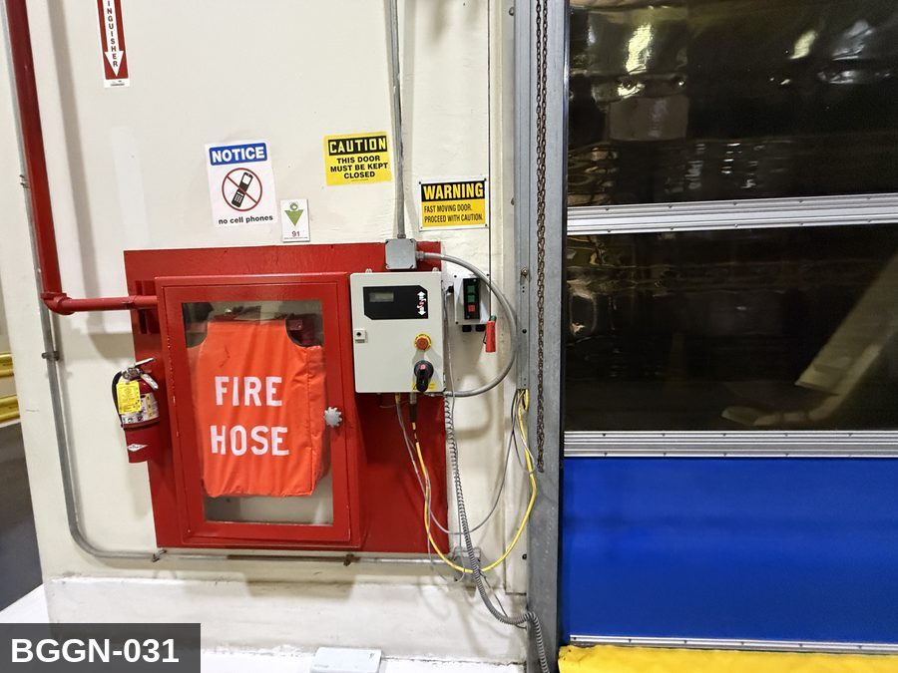 |  |  |  | 

PHOTO OF EQUIPMENT |  |  |  | PHOTO OF ISOLATION / DISCONNECT
Energy Tag & Description | Isolation Procedure & Lockout Devices |  |  |  | Method of Verification
N — None SHUTDOWN Operating controls (normal stop) | Notify all affected production and sanitation employees, then bring the machine to a normal, controlled stop using its operating controls.

E — Electrical ISOLATE Main electrical disconnect | ELECTRICAL - Open the machine's main electrical disconnect to the OFF position. [VERIFY ON SITE: disconnect ID & location]

P — Pneumatic ISOLATE Air-supply isolation valve | PNEUMATIC - Close the lockable air-supply isolation valve to the machine. [VERIFY ON SITE: valve location]

M — Mechanical ISOLATE Drive brake / rotating parts | MECHANICAL - Confirm all drives are commanded off and engage any drive brake / anti-rotation pin provided. [VERIFY ON SITE: brake/pin location]

E — Electrical RELEASE STORED ENERGY Main electrical disconnect | ELECTRICAL - Allow VFD/servo DC-bus capacitors to discharge before contact (minimum 5 minutes, or per nameplate). [VERIFY ON SITE: drive discharge time]

CG — Compressed Gas RELEASE STORED ENERGY Receiver tank & air lines | STORED AIR - Open the receiver-tank manual drain and bleed the tank and all downstream lines to 0 psi BEFORE any work; the receiver holds large stored energy. [VERIFY ON SITE: tank drain valve]

M — Mechanical RELEASE STORED ENERGY Drive brake / rotating parts | MECHANICAL - Allow all rotating or coasting parts (motors, fans, flywheels, blades, rollers) to come to a complete stop.

N — None LOCKOUT All isolation devices listed above | Apply an assigned lock AND a durable tag at EACH isolating device listed above. Each authorized worker applies their own lock (group lockout where required).

E — Electrical VERIFY ZERO ENERGY Main electrical disconnect | ELECTRICAL - With a calibrated meter, verify 0 V on the load side of the disconnect, phase-to-phase and phase-to-ground (test the meter on a known live source first and after). |  |  |  | ELECTRICAL - With a calibrated meter, verify 0 V on the load side of the disconnect, phase-to-phase and phase-to-ground (test the meter on a known live source first and after).

CG — Compressed Gas VERIFY ZERO ENERGY Receiver tank & air lines | STORED AIR - Confirm the receiver-tank and line gauges read 0 psi. |  |  |  | STORED AIR - Confirm the receiver-tank and line gauges read 0 psi.

N — None VERIFY ZERO ENERGY Tryout at operating controls | Attempt to start the machine from its normal controls to confirm no response, then return all controls to OFF / neutral. |  |  |  | Attempt to start the machine from its normal controls to confirm no response, then return all controls to OFF / neutral.

LOCKOUT REMOVAL PROCESS
1. Notify all AFFECTED employees that lockout is being removed 2. Inspect the work area to ensure tools and items have been removed 3. Verify that all employees are clear of the equipment 4. Verify that controls are in the neutral or off position |  |  |  | 5. Remove lockout devices, locks, and tags 6. Re-energize the equipment 7. Notify all AFFECTED employees that the equipment is back in service
...
COLOR CODES
E = Electrical | G = Gas |  | H = Hydraulic | P = Pneumatic
W = Water | S = Steam |  | V = Valve | CG = Compressed Gas
EQUIPMENT IDENTIFICATION AND ENERGY ISOLATION PROCEDURE

...
COLOR CODES
E = Electrical | G = Gas |  | H = Hydraulic | P = Pneumatic
W = Water | S = Steam |  | V = Valve | CG = Compressed Gas
EQUIPMENT IDENTIFICATION AND ENERGY ISOLATION PROCEDURE

...
COLOR CODES
E = Electrical | G = Gas |  | H = Hydraulic | P = Pneumatic |  | M = Mechanical |  | T = Thermal
W = Water | S = Steam |  | V = Valve | CG = Compressed Gas |  | CP = Control Panel |  | GR = Gravity
EQUIPMENT IDENTIFICATION AND ENERGY ISOLATION PROCEDURE
 |  |  |  | 
...
COLOR CODES
E = Electrical | G = Gas |  | H = Hydraulic | P = Pneumatic |  | M = Mechanical |  | T = Thermal
W = Water | S = Steam |  | V = Valve | CG = Compressed Gas |  | CP = Control Panel |  | GR = Gravity
EQUIPMENT IDENTIFICATION AND ENERGY ISOLATION PROCEDURE
 |  |  |  | 
...
COLOR CODES
E = Electrical | G = Gas |  | H = Hydraulic | P = Pneumatic |  | M = Mechanical |  | T = Thermal
W = Water | S = Steam |  | V = Valve | CG = Compressed Gas |  | CP = Control Panel |  | GR = Gravity
EQUIPMENT IDENTIFICATION AND ENERGY ISOLATION PROCEDURE
 |  |  |  | 
...
COLOR CODES
E = Electrical | G = Gas |  | H = Hydraulic | P = Pneumatic |  | M = Mechanical |  | T = Thermal
W = Water | S = Steam |  | V = Valve | CG = Compressed Gas |  | CP = Control Panel |  | GR = Gravity
EQUIPMENT IDENTIFICATION AND ENERGY ISOLATION PROCEDURE
 |  |  |  | 
...
COLOR CODES
E = Electrical | G = Gas |  | H = Hydraulic | P = Pneumatic |  | M = Mechanical |  | T = Thermal
W = Water | S = Steam |  | V = Valve | CG = Compressed Gas |  | CP = Control Panel |  | GR = Gravity
EQUIPMENT IDENTIFICATION AND ENERGY ISOLATION PROCEDURE
 |  |  |  | 
...
COLOR CODES
E = Electrical | G = Gas |  | H = Hydraulic | P = Pneumatic |  | M = Mechanical |  | T = Thermal
W = Water | S = Steam |  | V = Valve | CG = Compressed Gas |  | CP = Control Panel |  | GR = Gravity
EQUIPMENT IDENTIFICATION AND ENERGY ISOLATION PROCEDURE
 |  |  |  | 
...
COLOR CODES
E = Electrical | G = Gas |  | H = Hydraulic | P = Pneumatic |  | M = Mechanical |  | T = Thermal
W = Water | S = Steam |  | V = Valve | CG = Compressed Gas |  | CP = Control Panel |  | GR = Gravity
EQUIPMENT IDENTIFICATION AND ENERGY ISOLATION PROCEDURE
 |  |  |  | 
...
COLOR CODES
E = Electrical | G = Gas |  | H = Hydraulic | P = Pneumatic |  | M = Mechanical |  | T = Thermal
W = Water | S = Steam |  | V = Valve | CG = Compressed Gas |  | CP = Control Panel |  | GR = Gravity
EQUIPMENT IDENTIFICATION AND ENERGY ISOLATION PROCEDURE
 |  |  |  | 
...
COLOR CODES
E = Electrical | G = Gas |  | H = Hydraulic | P = Pneumatic |  | M = Mechanical |  | T = Thermal
W = Water | S = Steam |  | V = Valve | CG = Compressed Gas |  | CP = Control Panel |  | GR = Gravity
EQUIPMENT IDENTIFICATION AND ENERGY ISOLATION PROCEDURE
 |  |  |  | 
...
COLOR CODES
E = Electrical | G = Gas |  | H = Hydraulic | P = Pneumatic |  | M = Mechanical |  | T = Thermal
W = Water | S = Steam |  | V = Valve | CG = Compressed Gas |  | CP = Control Panel |  | GR = Gravity
EQUIPMENT IDENTIFICATION AND ENERGY ISOLATION PROCEDURE
 |  |  |  | 
...
COLOR CODES
E = Electrical | G = Gas |  | H = Hydraulic | P = Pneumatic |  | M = Mechanical |  | T = Thermal
W = Water | S = Steam |  | V = Valve | CG = Compressed Gas |  | CP = Control Panel |  | GR = Gravity
EQUIPMENT IDENTIFICATION AND ENERGY ISOLATION PROCEDURE
 |  |  |  | 
...
COLOR CODES
E = Electrical | G = Gas |  | H = Hydraulic | P = Pneumatic
W = Water | S = Steam |  | V = Valve | CG = Compressed Gas
EQUIPMENT IDENTIFICATION AND ENERGY ISOLATION PROCEDURE

...
COLOR CODES
E = Electrical | G = Gas |  | H = Hydraulic | P = Pneumatic
W = Water | S = Steam |  | V = Valve | CG = Compressed Gas
EQUIPMENT IDENTIFICATION AND ENERGY ISOLATION PROCEDURE
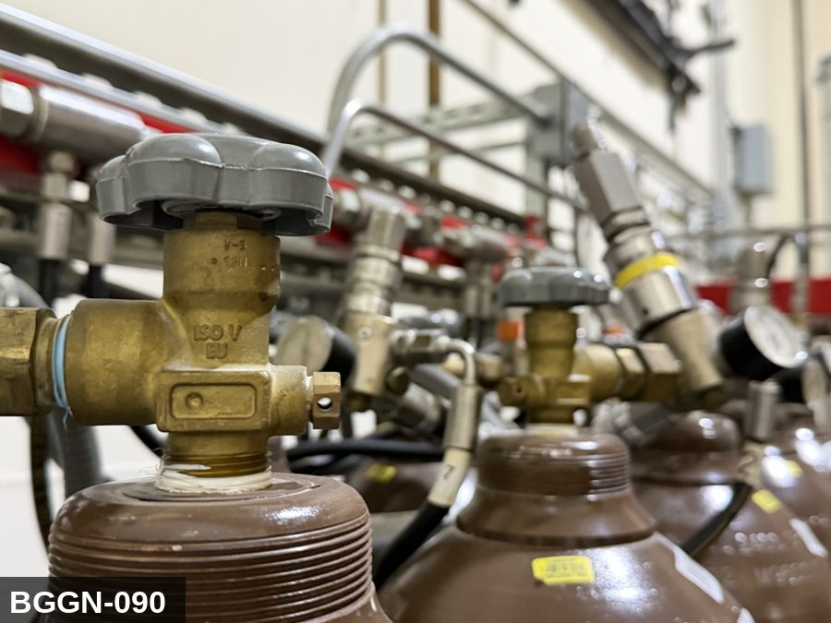
...
COLOR CODES
E = Electrical | G = Gas |  | H = Hydraulic | P = Pneumatic |  | M = Mechanical |  | T = Thermal
W = Water | S = Steam |  | V = Valve | CG = Compressed Gas |  | CP = Control Panel |  | GR = Gravity
EQUIPMENT IDENTIFICATION AND ENERGY ISOLATION PROCEDURE
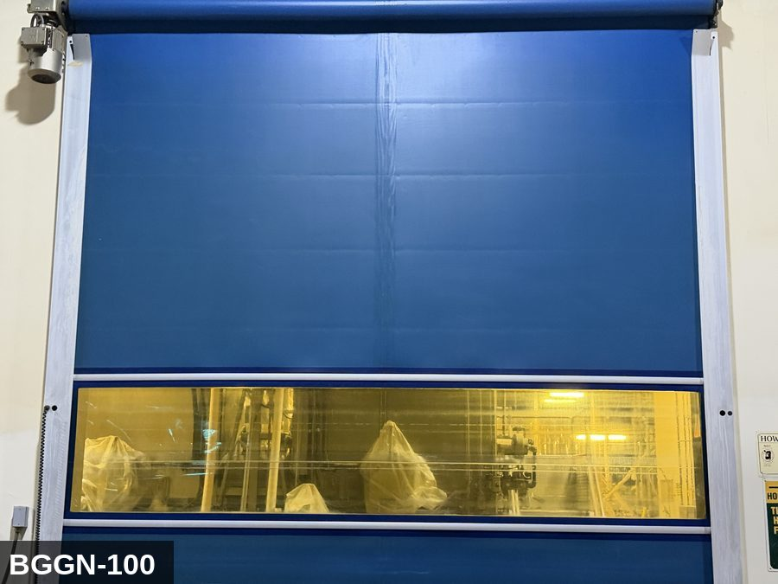 |  |  |  | 
...
COLOR CODES
E = Electrical | G = Gas |  | H = Hydraulic | P = Pneumatic |  | M = Mechanical |  | T = Thermal
W = Water | S = Steam |  | V = Valve | CG = Compressed Gas |  | CP = Control Panel |  | GR = Gravity
EQUIPMENT IDENTIFICATION AND ENERGY ISOLATION PROCEDURE
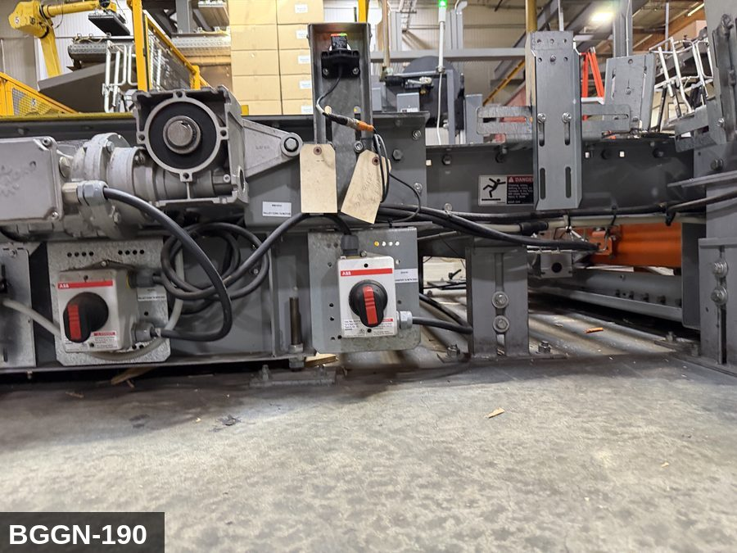 |  |  |  | 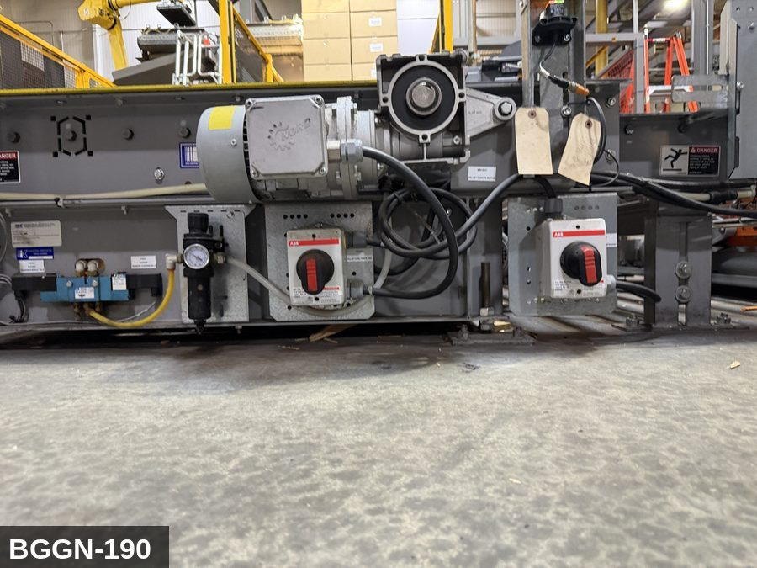
...
COLOR CODES
E = Electrical | G = Gas |  | H = Hydraulic | P = Pneumatic |  | M = Mechanical |  | T = Thermal
W = Water | S = Steam |  | V = Valve | CG = Compressed Gas |  | CP = Control Panel |  | GR = Gravity
EQUIPMENT IDENTIFICATION AND ENERGY ISOLATION PROCEDURE
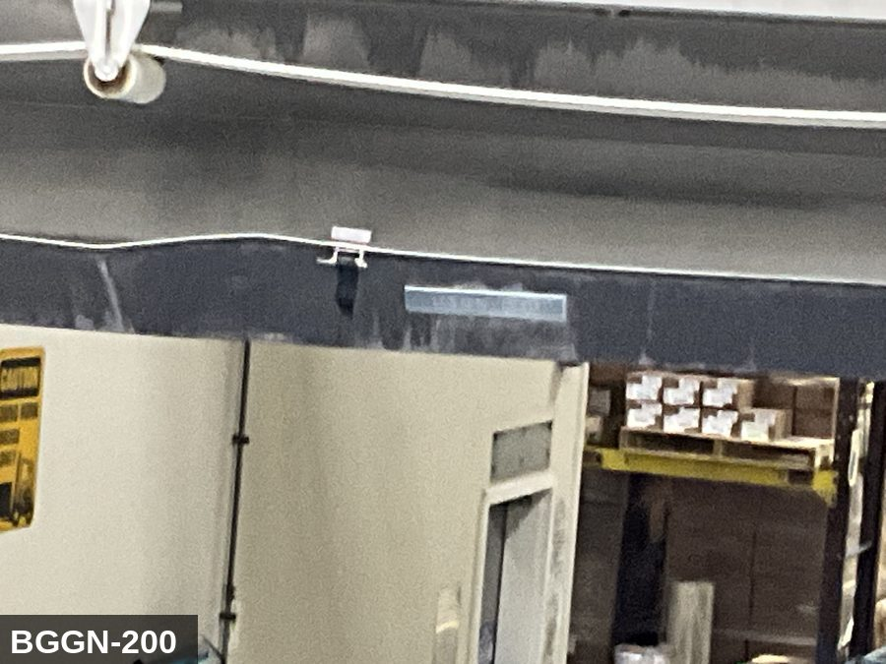 |  |  |  | 


